Receipts
SAMPLE RECEIPT TO ACCOMPANY A REIMBURSEMENT LOG & FORM

Directions:
Please number each receipt and supporting document as it corresponds to the line item on the travel reimbursement form.
Please make sure the numbers are legible.
If date/ price are illegible, please write correct date/ price on receipt

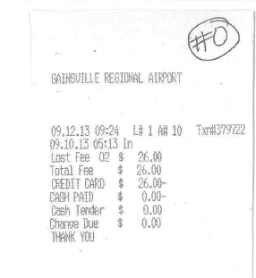
Line number on the Post- Travel Reimbursment Form

If paid in cash, traveler must sign receipt

Notes:
*Tape receipts smaller than 8 ½ x 11 to a sheet of blank paper
*If both business and personal expenses are on the receipt, strikethough the personal items with an ink pen.
*For reimbursements to be charged to multiple accounts, please indicate the accounts to be charged and amount to be charged to each account
*All receipts must have form of payment, be itemized or have a transaction description, have transction date & amount, when applicable have a $0.00 balance due.

