Receipts
SAMPLE RECEIPT TO ACCOMPANY POST TRAVEL REIMBURSEMENT LOG & FORM

Directions:
Please number each receipt and supporting document as it corresponds to the line item on the travel reimbursement form.
Please make sure the numbers are legible.
If date/ price are illegible, please write correct date/ price on receipt

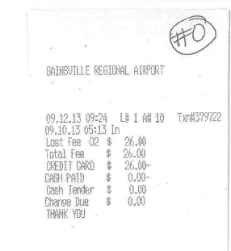
Line number on the Post- Travel Reimbursment Form

If paid in cash, traveler must sign receipt

Notes:
*Tape receipts smaller than 8 ½ x 11 to a sheet of blank paper
*If both business and personal expenses are on the receipt, strikethough the personal items with an ink pen.
*For reimbursements to be charged to multiple accounts, please indicate the accounts to be charged and amount to be charged to each account
*All receipts must have form of payment, be itemized or have a transaction description, have transction date & amount, when applicable have a $0.00 balance due.

OANDA
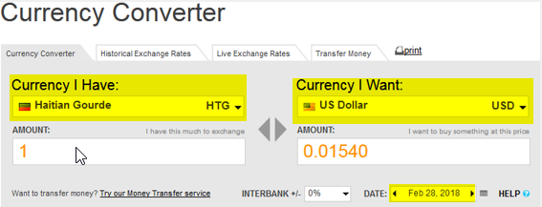
To see the conversion rate, Go to:
https://www.oanda.com/currency/converter/

*Change the date to match the transaction date. This should match both the
receipt and the line item.
*Change the 'Currency I Have:' to the foreign currency that was used. In this
example we use Haitian Gourdes (HTG)

Enter the foreign amount to get the US Dollar amount

Per Diem & Foreign Meals
To see Per Diem Policy visit:
 | http://www.fa.ufl.edu/directives-and-procedures/travel/#lodging
Per Diem Allowance (in lieu of actual expenditures) – In certain cases, it may not be practical or possible to establish actual reimbursable expenses for lodging and/or meals. In such cases, a per diem charge in lieu of actual expenses may be reimbursed. Per diem reimbursement for these expenses is the payment to the traveler of a fixed amount per day to cover the cost of lodging and/or meals and all related incidental expenses necessarily incurred. The University of Florida’s per diem rate is up to $80 per day for both domestic and foreign travel. Per Diem is broken into $20 per quarter. The quarters are as follows: 1st quarter starts @ 12:00 a.m., 2nd quarter starts @ 6:00 a.m., 3rd quarter starts @ 12:00 p.m., and the 4th quarter starts @ 6:00 p.m. If the traveler is in any portion of that quarter they will receive that quarterly allowance of $20. With a per diem allowance, the traveler is not required to provide documentation and an itemization of actual lodging. Meals and/or lodging may not be claimed in combination with per diem. All meals provided to the traveler must be deducted from the per diem rate of $80 per day.

Foreign Meals:
The University may reimburse authorized travelers for foreign travel at the current rates for meals and lodging as specified in the federal publication “Standardized Regulations (Government Civilians, Foreign Areas).” These rates may be obtained from the Travel Office or at the following on the State Department website.

Visit the following link to get the M&IE amount for your travel country:

 | https://aoprals.state.gov/web920/per_diem.asp

 | Select the country:
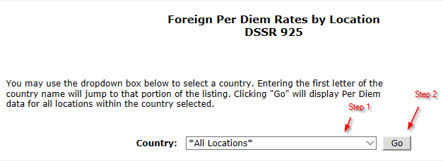

 | Select the Month and year of the travel
 | & then find the location, if not listed use Other.
 | Write down the M & IE Rate

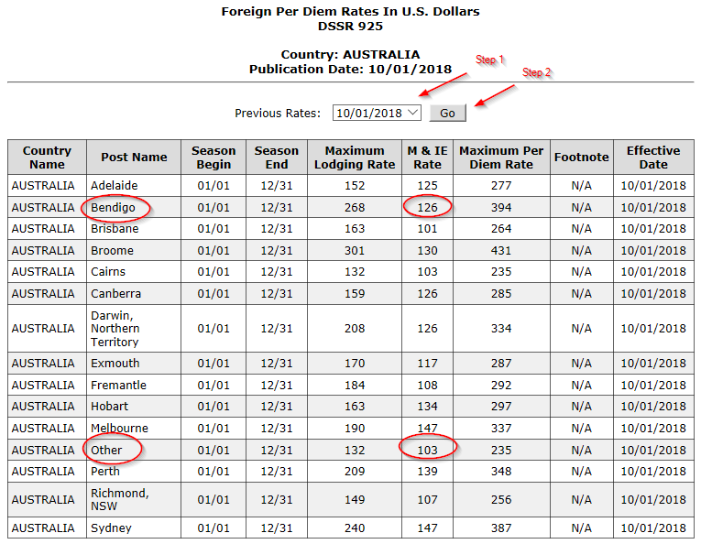

After you write down the M & IE Amount, visit:
 | https://aoprals.state.gov/content.asp?content_id=114&menu_id=81

And look for your M & IE Amount to find the US dollar amount for Breakfast, Lunch & Dinner:
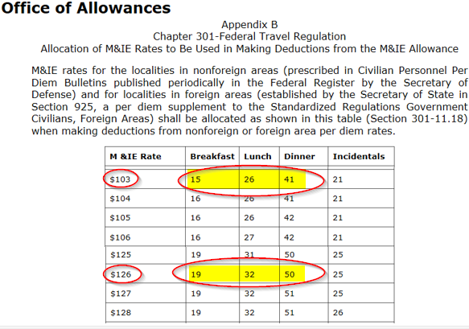

Meals require an overnight stay:
 | Breakfast: | When travels begins before 6am and extends to 8am
 | Lunch: | When travel begins before 12pm and extends to 2pm
 | Dinner: | When travel begins before 6pm and extends to 8pm

