UF Fringe and GA Cost
Fringe Benefits |  |  |  |  |  | GA Tuition Estimate Amounts
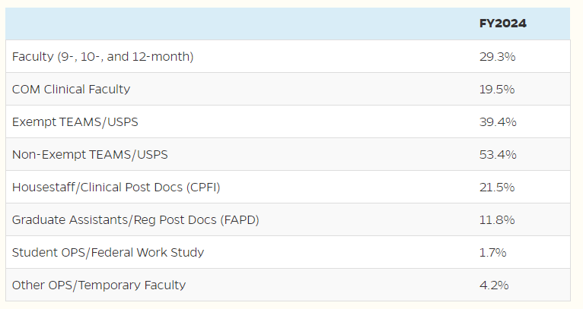
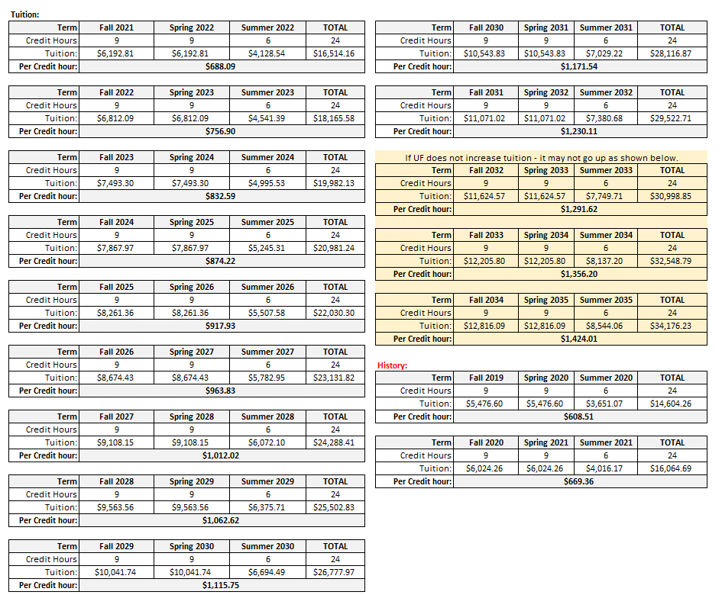

GA minimum Salary monthly amounts

FTE | HRS per week | UFIRST 12-month GA Monthly Salary | 12-Month Annual Saary | UFIRST 9-month GA Monthly Salary | 9-month Annual Salary

0.50 | 20 | $1,896.15 | $22,753.85 | $1,416.67 | $17,000.00
0.33 | 13.20 | $1,251.46 | $15,017.54 | $935.00 | $11,220.00
0.25 | 10 | $948.08 | $11,376.93 | $708.33 | $8,500.00

Example: Cost for a 12-month GA @ .50 FTE
for 24/25 FY - Fall 2023, Spring 2024 & Summer 2024
Salary | $22,753.85
Fringe 11.8% | $2,684.95
+ Tuition | $19,982.13
Total | $45,420.93

Complete Yellow Highlighted
Salary | $-
Fringe 11.8% | $-
+ Tuition | $-
Total | $-

